Sheet1
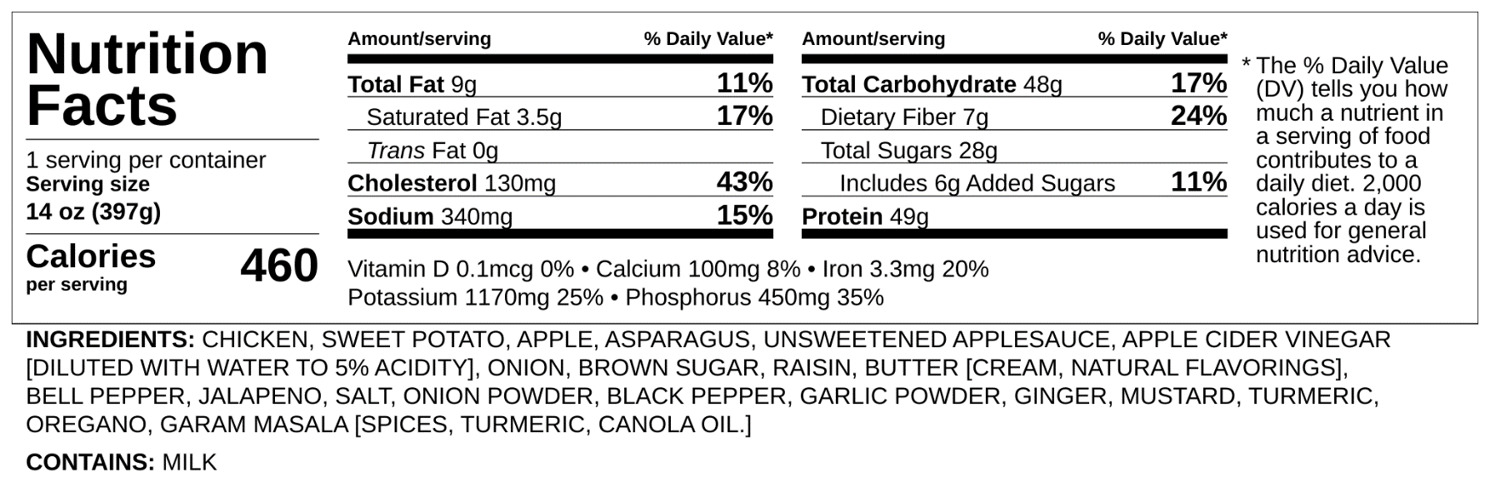
Accelerator Checklist / Work Plan
Recipe Review
Name | Apple Chutney Chicken w/ Sweet Mash & Asparagus |  | Photo
Diets | W,D,C,M,LL,LF,NN,NRM,NF
Component | NOVA | Apple Chutney
Ingredients | 2 | Garam Masala
 | 1 | Ginger, Fresh
 | 1 | Jalapenos
 | 1 | Pepper, Red Bell
 | 1 | Raisin
 | 1 | Salt, Kosher
 | 2 | Vinegar, Apple Cider
 | 2 | Sugar, Brown, Light
 | 1 | Onions, Fresh
 | 1 | Turmeric
 | 2 | Applesauce, Unsweetened
 | 1 | Apples Peeled Sliced IQF
Component |  | Seasoned Chicken
Ingredients | 1 | Chicken, Breast
 | 1 | Salt, Kosher
 | 1 | Black Pepper, Ground | Notes
 | 2 | Mustard, Dry
 | 2 | Onion Powder
 | 2 | Garlic Powder
 | 1 | Oregano Dry
Component |  | Sweet Mash
Ingredients | 1 | Sweet Potatoes
 | 2 | Butter, Unsalted
 | 1 | Salt, Kosher

Component |  | Asparagus
Ingredients | 1 | Asparagus, IQF

Nutrition Analysis

